film-descriptive statistics
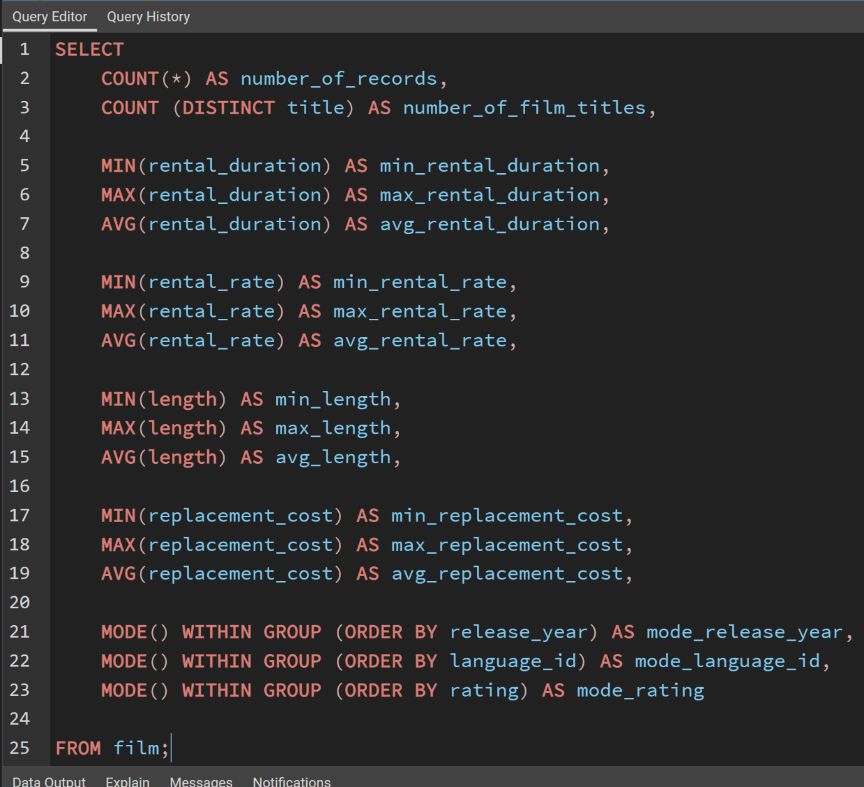
number_of_records | number_of_film_titles | min_rental_duration | max_rental_duration | avg_rental_duration | min_rental_rate | max_rental_rate | avg_rental_rate | min_length | max_length | avg_length | min_replacement_cost | max_replacement_cost | avg_replacement_cost | mode_release_year | mode_language_id | mode_rating
1000 | 1000 | 3 | 7 | 4.985 | 0.99 | 4.99 | 2.98 | 46 | 185 | 115.272 | 9.99 | 29.99 | 19.984 | 2006 | 1 | PG-13

customer-descriptive statistics
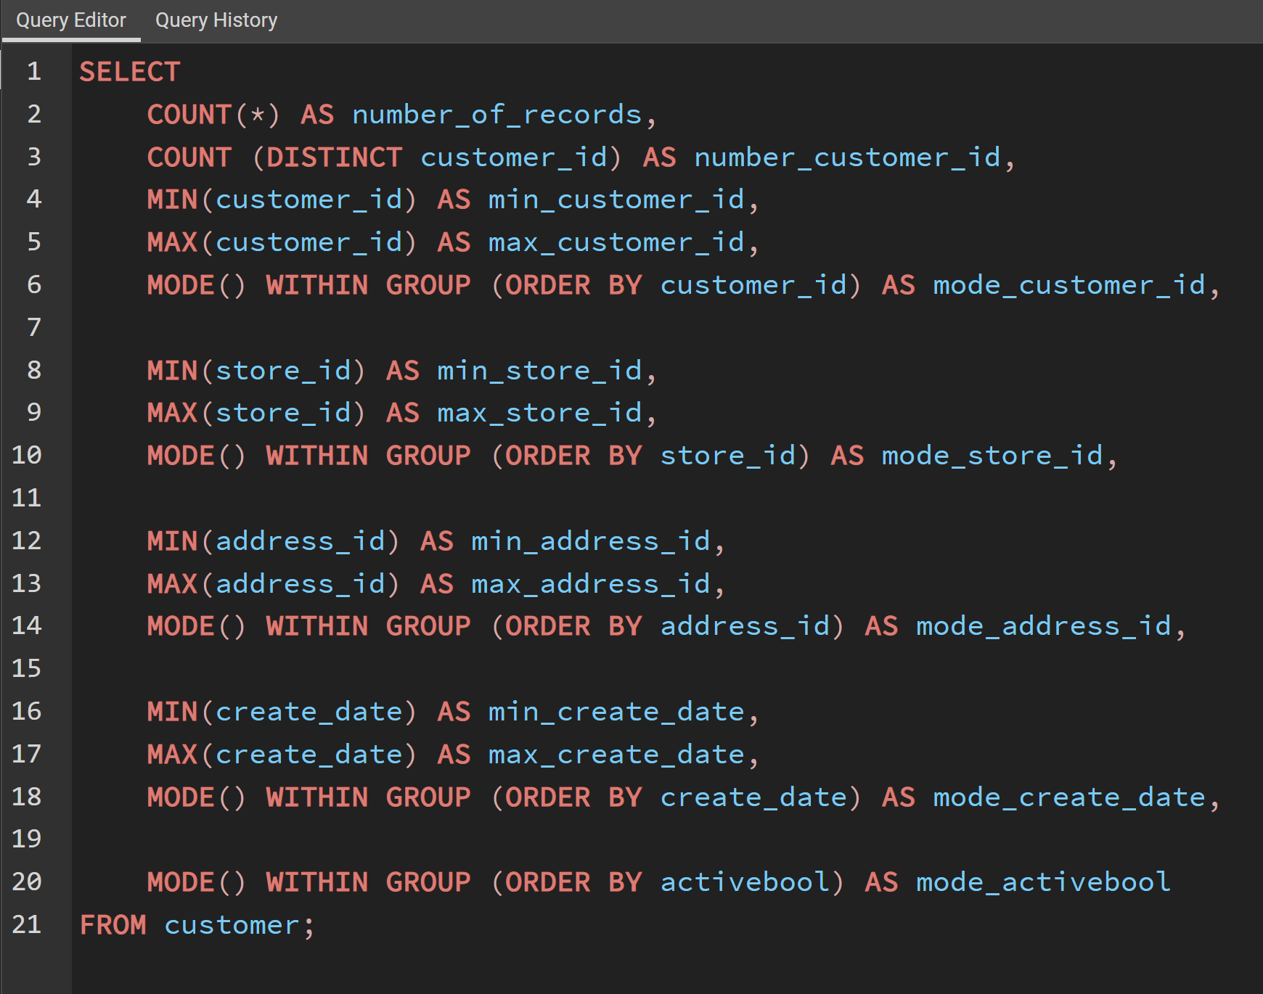
number_of_records | number_customer_id | min_customer_id | max_customer_id | mode_customer_id | min_store_id | max_store_id | mode_store_id | min_address_id | max_address_id | mode_address_id | min_create_date | max_create_date | mode_create_date | mode_activebool
599 | 599 | 1 | 599 | 1 | 1 | 2 | 1 | 5 | 605 | 5 | 2006-02-14 | 2006-02-14 | 2006-02-14 | TRUE

top 10 countries
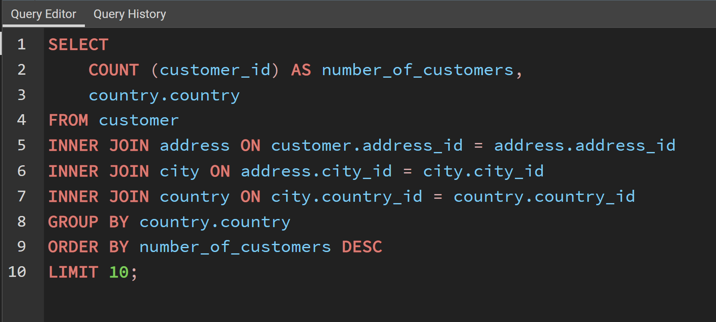
number_of_customers | country
60 | India
53 | China
36 | United States
31 | Japan
30 | Mexico
28 | Brazil
28 | Russian Federation
20 | Philippines
15 | Turkey
14 | Indonesia

top 10 cities
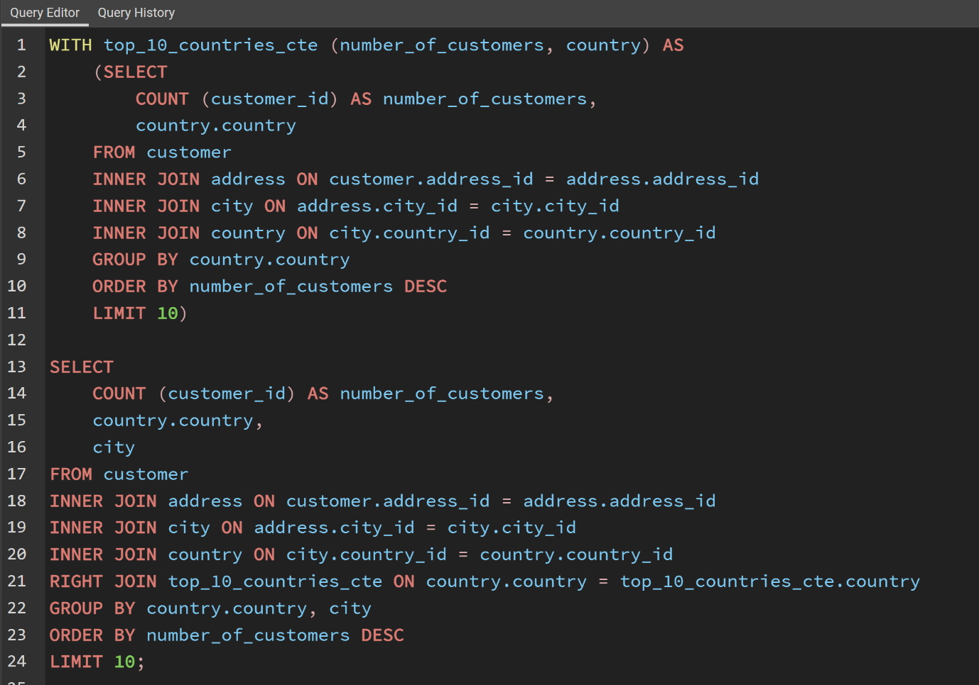
number_of_customers | country | city
2 | United States | Aurora
1 | Mexico | Acua
1 | United States | Citrus Heights
1 | Japan | Iwaki
1 | India | Ambattur
1 | China | Shanwei
1 | Brazil | So Leopoldo
1 | Russian Federation | Teboksary
1 | China | Tianjin
1 | Indonesia | Cianjur

revenue by film
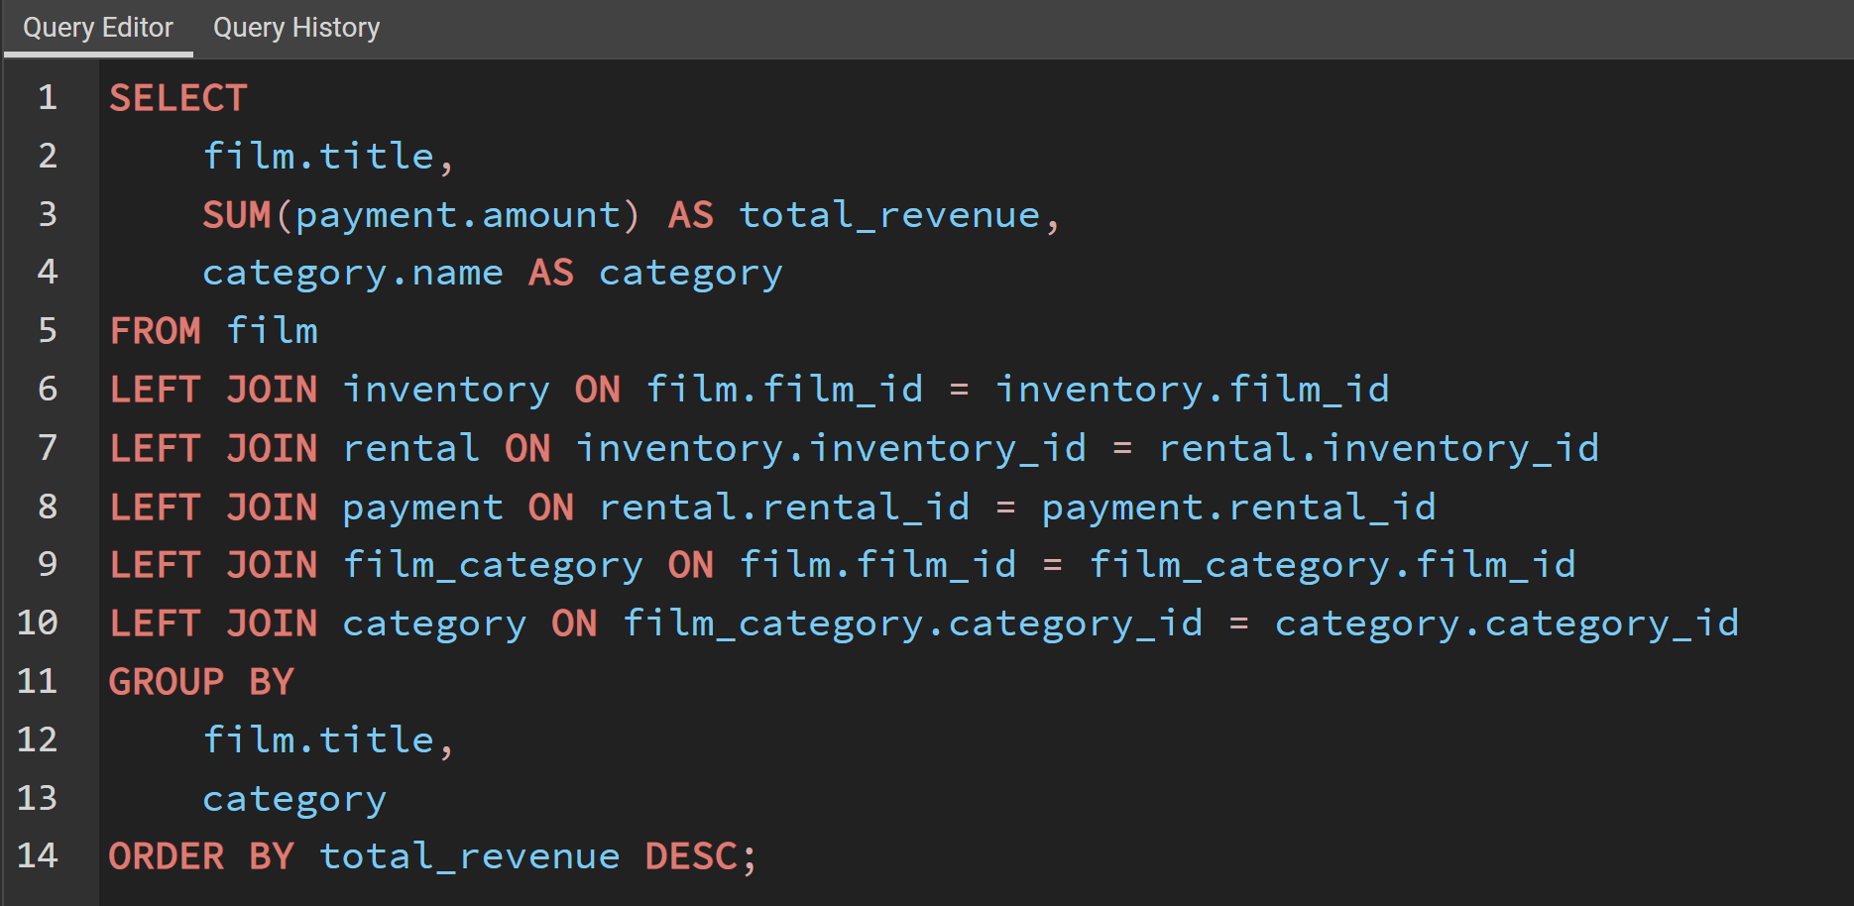
title | total_revenue | category
Villain Desperate | NULL | Documentary
Chocolate Duck | NULL | Foreign
Apollo Teen | NULL | Drama
Gump Date | NULL | Travel
Muppet Mile | NULL | Foreign
Argonauts Town | NULL | Animation
Ark Ridgemont | NULL | Action
Suicides Silence | NULL | Sci-Fi
Arsenic Independence | NULL | Travel
Psycho Shrunk | NULL | Games
Deliverance Mulholland | NULL | Documentary
Dazed Punk | NULL | Games
Pearl Destiny | NULL | Foreign
Sister Freddy | NULL | Children
Perdition Fargo | NULL | Sports
Sky Miracle | NULL | Action
Boondock Ballroom | NULL | Travel
Crystal Breaking | NULL | Foreign
Walls Artist | NULL | Children
Firehouse Vietnam | NULL | Action
Wake Jaws | NULL | New
Crowds Telemark | NULL | Sci-Fi
Hocus Frida | NULL | Family
Crossing Divorce | NULL | Foreign
Volume House | NULL | Classics
Hate Handicap | NULL | Comedy
Floats Garden | NULL | Animation
Commandments Express | NULL | Horror
Frankenstein Stranger | NULL | Comedy
Roof Champion | NULL | Games
Catch Amistad | NULL | Foreign
Kentuckian Giant | NULL | Horror
Kill Brotherhood | NULL | Documentary
Order Betrayed | NULL | Travel
Gladiator Westward | NULL | Family
Alice Fantasia | NULL | Classics
Rainbow Shock | NULL | Documentary
Butch Panther | NULL | New
Tadpole Park | NULL | Classics
Treasure Command | NULL | Horror
Chinatown Gladiator | NULL | New
Raiders Antitrust | NULL | Documentary
Telegraph Voyage | 215.75 | Music
Zorro Ark | 199.72 | Comedy
Wife Turn | 198.73 | Documentary
Innocent Usual | 191.74 | Foreign
Hustler Party | 190.78 | Comedy
Saturday Lambs | 190.74 | Sports
Titans Jerk | 186.73 | Sci-Fi
Harry Idaho | 177.73 | Drama
Torque Bound | 169.76 | Drama
Dogma Family | 168.72 | Animation
Pelican Comforts | 165.77 | Documentary
Goodfellas Salute | 164.75 | Sci-Fi
Fool Mockingbird | 162.79 | Action
Apache Divine | 160.72 | Family
Enemy Odds | 159.75 | Music
Cat Coneheads | 159.73 | Comedy
Scorpion Apollo | 158.79 | Drama
Range Moonwalker | 158.77 | Family
Scalawag Duck | 157.71 | Music
Sunrise League | 155.78 | Animation
Lola Agent | 154.77 | Horror
Maiden Home | 152.78 | New
Velvet Terminator | 152.77 | Comedy
Closer Bang | 152.76 | Comedy
Bucket Brotherhood | 150.72 | Travel
Sting Personal | 149.8 | New
Titanic Boondock | 149.78 | Animation
Massacre Usual | 149.75 | Games
Nightmare Chill | 148.79 | Games
Videotape Arsenic | 148.76 | Games
American Circus | 146.81 | Action
Witches Panic | 146.75 | Drama
Show Lord | 145.78 | Documentary
Minds Truman | 144.81 | Action
Working Microcosmos | 144.78 | Travel
Wonderland Christmas | 142.79 | Sci-Fi
Head Stranger | 142.79 | Games
Whisperer Giant | 141.8 | Sci-Fi
Forrester Comancheros | 141.74 | Animation
Backlash Undefeated | 140.84 | Children
Dorado Notting | 140.78 | Music
Boogie Amelie | 140.74 | Music
Secrets Paradise | 139.82 | Family
Mine Titans | 138.83 | New
Stagecoach Armageddon | 138.77 | Action
Pity Bound | 138.77 | Drama
Roses Treasure | 137.77 | Sports
Streetcar Intentions | 137.77 | Horror
Fellowship Autumn | 137.76 | Travel
Steel Santa | 136.78 | Classics
Confidential Interview | 136.76 | Music
Trip Newton | 135.74 | Action
Flintstones Happiness | 134.83 | Comedy
Garden Island | 134.82 | Sci-Fi
Eagles Panky | 134.81 | New
Suit Walls | 134.81 | Games
Flamingos Connecticut | 134.78 | New
Attraction Newton | 133.78 | New
Trading Pinocchio | 133.77 | Sports
Easy Gladiator | 132.8 | Action
Heartbreakers Bright | 132.8 | Children
Durham Panky | 132.76 | Sports
Moonshine Cabin | 131.8 | Games
Drifter Commandments | 131.78 | Action
Name Detective | 131.78 | Games
Aladdin Calendar | 131.77 | Sports
Lies Treatment | 131.76 | Drama
Coneheads Smoochy | 131.76 | Drama
Midsummer Groundhog | 129.82 | Documentary
Details Packer | 128.82 | Games
Queen Luke | 128.79 | Drama
Tourist Pelican | 126.81 | Sports
Sabrina Midnight | 126.79 | Children
Liaisons Sweet | 126.79 | Travel
Kiss Glory | 126.79 | Foreign
Seattle Expecations | 125.8 | Drama
Beauty Grease | 125.79 | Drama
Movie Shakespeare | 125.78 | Family
Gleaming Jawbreaker | 125.72 | Sports
Chance Resurrection | 124.76 | Sports
Calendar Gunfight | 123.82 | Foreign
Heavyweights Beast | 123.78 | Documentary
Satisfaction Confidential | 122.84 | Sports
Yentl Idaho | 122.79 | Horror
Coma Head | 122.77 | Travel
Center Dinosaur | 121.79 | Classics
Sleeping Suspects | 121.78 | Horror
Princess Giant | 121.77 | Documentary
Pulp Beverly | 121.74 | Horror
Dawn Pond | 120.83 | Games
Kissing Dolls | 120.83 | Action
Something Duck | 120.82 | Drama
Trap Guys | 119.85 | Foreign
Pinocchio Simon | 119.82 | Comedy
Rage Games | 119.81 | Family
Bingo Talented | 119.75 | Sci-Fi
Doors President | 118.82 | Animation
Desert Poseidon | 118.81 | Horror
Maltese Hope | 118.79 | Games
Suspects Quills | 118.73 | Action
Fidelity Devil | 117.82 | Horror
Snatch Slipper | 117.8 | Comedy
High Encino | 117.79 | Horror
Waterfront Deliverance | 116.84 | Action
Metropolis Coma | 116.76 | Sci-Fi
Network Peak | 116.73 | Family
Road Roxanne | 115.83 | Documentary
Hunchback Impossible | 115.83 | Drama
Freddy Storm | 115.79 | Horror
Beverly Outlaw | 115.79 | Sci-Fi
Conversation Downhill | 114.83 | Family
Cause Date | 114.81 | Documentary
Whale Bikini | 113.85 | Foreign
Lady Stage | 113.84 | Horror
Redemption Comforts | 113.8 | New
Strictly Scarface | 113.77 | Comedy
Secretary Rouge | 112.82 | Sports
Agent Truman | 111.81 | Foreign
Candles Grapes | 111.8 | Games
Money Harold | 111.8 | New
Mission Zoolander | 110.84 | Animation
Interview Liaisons | 110.82 | New
Prejudice Oleander | 110.81 | Classics
Ridgemont Submarine | 110.72 | New
Teen Apollo | 109.86 | Travel
Shawshank Bubble | 109.81 | Travel
Arachnophobia Rollercoaster | 109.77 | Horror
Horn Working | 109.77 | Animation
Butterfly Chocolat | 108.74 | New
Command Darling | 107.84 | Foreign
Ghost Groundhog | 107.81 | Children
Philadelphia Wife | 107.8 | Sports
Scarface Bang | 106.84 | Children
Spice Sorority | 106.81 | Drama
Falcon Volume | 106.81 | Animation
Brooklyn Desert | 106.81 | Foreign
Virtual Spoilers | 105.87 | Family
Galaxy Sweethearts | 105.84 | Classics
League Hellfighters | 105.83 | Classics
Chasing Fight | 105.82 | Family
Requiem Tycoon | 105.82 | Classics
Driving Polish | 105.81 | Music
Secret Groundhog | 105.81 | Documentary
Reign Gentlemen | 105.81 | Sci-Fi
Clueless Bucket | 105.77 | Action
Strangers Graffiti | 104.86 | Horror
Breakfast Goldfinger | 104.84 | New
Jerk Paycheck | 104.81 | Classics
Wash Heavenly | 104.8 | Foreign
Truman Crazy | 104.8 | Action
Arizona Bang | 104.79 | Classics
Hanky October | 104.77 | Sci-Fi
Tycoon Gathering | 103.88 | Games
Million Ace | 103.83 | Classics
Sleepless Monsoon | 103.83 | Animation
Open African | 103.81 | Sci-Fi
Angels Life | 103.8 | New
Cupboard Sinners | 103.78 | Documentary
Greatest North | 103.73 | Music
Birds Perdition | 102.83 | New
Undefeated Dalmations | 102.81 | Horror
South Wait | 102.79 | Action
Timberland Sky | 102.74 | Classics
Forward Temple | 102.74 | Games
Attacks Hate | 101.84 | Sci-Fi
Paycheck Wait | 101.84 | Drama
Sweden Shining | 101.83 | Comedy
Expecations Natural | 101.83 | Travel
Tomorrow Hustler | 101.76 | Classics
Samurai Lion | 101.76 | New
Poseidon Forever | 100.83 | Sports
Invasion Cyclone | 100.74 | Children
Giant Troopers | 100.74 | Children
Confused Candles | 99.84 | Family
Stepmom Dream | 99.81 | Foreign
Knock Warlock | 99.79 | Comedy
English Bulworth | 99.74 | Sci-Fi
Hall Cassidy | 98.84 | Children
Egg Igby | 98.81 | Documentary
Brotherhood Blanket | 98.77 | Documentary
Thief Pelican | 97.84 | Animation
Jason Trap | 97.77 | Family
Rocketeer Mother | 97.72 | Foreign
Grit Clockwork | 97.72 | Games
Shock Cabin | 96.71 | Foreign
Jericho Mulan | 95.84 | Games
Inch Jet | 95.82 | Animation
Salute Apollo | 95.8 | New
Gangs Pride | 95.78 | Animation
Hyde Doctor | 95.76 | Classics
Bilko Anonymous | 94.88 | Family
Gold River | 94.86 | Comedy
Mermaid Insects | 94.85 | Sports
French Holiday | 94.84 | Documentary
Gorgeous Bingo | 94.83 | Children
Peak Forever | 94.82 | Sports
Fargo Gandhi | 94.79 | Children
Patton Interview | 94.79 | Horror
Fish Opus | 94.78 | Sci-Fi
Expendable Stallion | 94.74 | Documentary
Spy Mile | 94.73 | Games
Day Unfaithful | 93.88 | New
Pickup Driving | 93.85 | Sports
Sugar Wonka | 93.85 | Animation
Bear Graceland | 93.81 | Children
Camelot Vacation | 93.76 | Sci-Fi
Sweethearts Suspects | 93.73 | Children
West Lion | 92.86 | Drama
Hanging Deep | 92.85 | Drama
Core Suit | 92.84 | Classics
Jet Neighbors | 92.83 | Foreign
Hellfighters Sierra | 92.81 | Foreign
Fatal Haunted | 92.77 | New
Silverado Goldfinger | 91.88 | Sci-Fi
Destiny Saturday | 91.85 | New
Balloon Homeward | 91.78 | Music
Dude Blindness | 90.87 | Sports
Wizard Coldblooded | 90.85 | Music
Ice Crossing | 90.78 | Games
Pure Runner | 89.85 | Comedy
Coldblooded Darling | 89.84 | Sci-Fi
Igby Maker | 89.83 | Travel
Vacation Boondock | 89.81 | Sci-Fi
Memento Zoolander | 88.87 | Comedy
Rocky War | 88.87 | Drama
Candidate Perdition | 88.82 | Classics
Metal Armageddon | 88.79 | Documentary
Telemark Heartbreakers | 88.76 | Animation
Idols Snatchers | 88.76 | Children
Behavior Runaway | 87.89 | Horror
Flash Wars | 87.88 | New
Bright Encounters | 87.88 | Drama
Hysterical Grail | 87.85 | Sports
Darn Forrester | 87.83 | Action
Basic Easy | 87.8 | Travel
Oz Liaisons | 87.78 | Animation
Color Philadelphia | 87.78 | Classics
Panky Submarine | 86.88 | Games
Airport Pollock | 86.85 | Horror
Slacker Liaisons | 86.84 | Drama
Virgin Daisy | 86.84 | Drama
Seabiscuit Punk | 86.76 | Sports
Muscle Bright | 86.73 | Travel
Juggler Hardly | 86.71 | Animation
Daisy Menagerie | 85.86 | Sci-Fi
Steers Armageddon | 85.85 | Sports
Robbers Joon | 85.74 | Children
Conquerer Nuts | 84.87 | Drama
Chicago North | 84.85 | Games
Sea Virgin | 84.81 | Drama
Alien Center | 84.8 | Foreign
Barbarella Streetcar | 84.78 | Sci-Fi
Married Go | 84.74 | Sci-Fi
Pittsburgh Hunchback | 83.89 | Family
Loser Hustler | 83.86 | Sports
Sagebrush Clueless | 83.86 | Documentary
Panther Reds | 83.86 | Sci-Fi
Dying Maker | 83.85 | Comedy
Forrest Sons | 83.83 | Action
Star Operation | 83.8 | Sports
Affair Prejudice | 83.79 | Horror
Oscar Gold | 83.75 | Animation
Holiday Games | 82.85 | Foreign
Musketeers Wait | 82.85 | Classics
Airplane Sierra | 82.85 | Comedy
Casablanca Super | 82.84 | Travel
Hurricane Affair | 82.77 | Comedy
Paths Control | 81.9 | Drama
Hanover Galaxy | 81.86 | Music
Campus Remember | 81.83 | Action
Rush Goodfellas | 81.72 | Family
Peach Innocent | 80.86 | Sports
Dragonfly Strangers | 80.86 | New
Human Graffiti | 80.85 | Games
Orient Closer | 80.83 | Drama
Vanishing Rocky | 80.83 | Music
Wardrobe Phantom | 80.77 | Drama
Operation Operation | 80.75 | Comedy
Betrayed Rear | 79.87 | Children
Edge Kissing | 79.87 | Drama
Bikini Borrowers | 79.86 | Animation
Carol Texas | 79.83 | Animation
Paradise Sabrina | 79.82 | Comedy
Strangelove Desire | 79.78 | Children
None Spiking | 79.75 | Sci-Fi
Super Wyoming | 78.88 | Family
Submarine Bed | 78.87 | Comedy
Rules Human | 78.87 | Horror
Groundhog Uncut | 78.86 | Comedy
Devil Desire | 78.86 | Action
Jekyll Frogmen | 78.84 | New
Intentions Empire | 78.83 | Animation
Murder Antitrust | 78.79 | Children
Blackout Private | 78.77 | Animation
Contact Anonymous | 78.76 | Travel
Tracy Cider | 78.76 | Animation
Deer Virginian | 78.76 | Music
Raging Airplane | 77.88 | Sci-Fi
Creepers Kane | 77.87 | Classics
Quills Bull | 77.87 | Documentary
Northwest Polish | 77.82 | Sports
Flying Hook | 77.81 | Animation
Harper Dying | 77.8 | Animation
Quest Mussolini | 77.8 | Action
Disturbing Scarface | 77.77 | Sci-Fi
Clash Freddy | 77.77 | Animation
Horror Reign | 77.75 | Travel
Lose Inch | 77.74 | Foreign
Tuxedo Mile | 76.87 | Sports
Model Fish | 76.87 | Children
Image Princess | 76.86 | Sports
Wanda Chamber | 76.86 | Games
Grinch Massage | 76.86 | Games
Lawless Vision | 76.86 | Animation
Baked Cleopatra | 76.85 | Family
Sleepy Japanese | 76.83 | New
National Story | 76.83 | Documentary
Unbreakable Karate | 76.81 | New
Shakespeare Saddle | 76.8 | Sports
Badman Dawn | 76.79 | Sci-Fi
Island Exorcist | 76.77 | Classics
Connecticut Tramp | 75.89 | Sci-Fi
Moonwalker Fool | 75.89 | Games
Deep Crusade | 75.87 | Documentary
Searchers Wait | 75.86 | Comedy
Holes Brannigan | 75.86 | Sports
Sons Interview | 75.85 | Animation
Blues Instinct | 75.82 | Family
Trojan Tomorrow | 75.82 | Sci-Fi
Atlantis Cause | 75.79 | Family
Malkovich Pet | 75.77 | Classics
Autumn Crow | 74.9 | Games
Birch Antitrust | 74.89 | Music
Impossible Prejudice | 74.86 | Foreign
Lust Lock | 74.82 | Action
Flatliners Killer | 74.81 | Sports
Crossroads Casualties | 74.8 | Animation
Escape Metropolis | 74.77 | Travel
Frost Head | 74.72 | Classics
California Birds | 73.89 | Sports
Thin Sagebrush | 73.89 | Documentary
Pluto Oleander | 73.87 | New
Outlaw Hanky | 73.86 | Travel
Words Hunter | 73.86 | Music
Wait Cider | 73.82 | Animation
Fantasia Park | 73.81 | Games
Dream Pickup | 73.8 | Action
Half Outfield | 73.79 | Family
Darko Dorado | 72.9 | Action
Hope Tootsie | 72.83 | Classics
Berets Agent | 72.8 | Action
Downhill Enough | 72.79 | Comedy
Cincinatti Whisperer | 71.89 | Sci-Fi
Alabama Devil | 71.88 | Horror
Blindness Gun | 71.87 | Sci-Fi
Jacket Frisco | 71.84 | Drama
Weekend Personal | 71.83 | Sci-Fi
Wedding Apollo | 71.79 | Documentary
Confessions Maguire | 70.87 | Drama
Saturn Name | 70.87 | Comedy
Jeepers Wedding | 70.87 | Classics
Ferris Mother | 70.85 | Comedy
Remember Diary | 70.83 | Family
Trouble Date | 70.81 | Travel
Gentlemen Stage | 70.8 | Foreign
Others Soup | 70.8 | Travel
Amistad Midsummer | 70.79 | New
Mallrats United | 70.78 | Comedy
Ties Hunger | 69.91 | Children
Daughter Madigan | 69.91 | Children
Beast Hunchback | 69.9 | Classics
Vampire Whale | 69.89 | New
Comforts Rush | 69.85 | Travel
Instinct Airport | 69.83 | Sports
Werewolf Lola | 68.88 | Action
Flight Lies | 68.88 | Sports
Idaho Love | 68.85 | New
Eyes Driving | 68.84 | Sci-Fi
Bringing Hysterical | 68.81 | Comedy
Hobbit Alien | 68.74 | Drama
Amelie Hellfighters | 67.9 | Music
Liberty Magnificent | 67.89 | Sports
Dinosaur Secretary | 67.81 | Family
Goldfinger Sensibility | 67.79 | Drama
Jumping Wrath | 67.79 | Children
Graffiti Love | 67.74 | Sci-Fi
Rugrats Shakespeare | 67.72 | Action
Caribbean Liberty | 66.92 | Sports
Twisted Pirates | 66.89 | Children
Past Suicides | 66.88 | Foreign
Dangerous Uptown | 66.88 | Foreign
Home Pity | 66.88 | Music
Charade Duffel | 66.87 | Sci-Fi
Boiled Dares | 66.87 | Travel
Worst Banger | 66.85 | Action
Zoolander Fiction | 66.85 | Children
Egypt Tenenbaums | 66.84 | Horror
Wonka Sea | 66.82 | Animation
Pollock Deliverance | 66.82 | Foreign
Stranger Strangers | 65.9 | Children
Chamber Italian | 65.88 | Music
War Notting | 65.88 | Foreign
Usual Untouchables | 65.88 | Foreign
Lonely Elephant | 65.87 | Comedy
Chariots Conspiracy | 65.81 | Sci-Fi
House Dynamite | 65.8 | Family
Snowman Rollercoaster | 65.79 | Animation
Madness Attacks | 65.77 | Foreign
Fiddler Lost | 64.9 | Sci-Fi
Elephant Trojan | 64.9 | Horror
Gunfighter Mussolini | 64.89 | Sports
Madison Trap | 64.87 | Documentary
Divine Resurrection | 64.85 | Games
Swarm Gold | 64.77 | Horror
Anthem Luke | 63.89 | Comedy
Daddy Pittsburgh | 63.89 | Comedy
Mother Oleander | 63.87 | Sports
Bill Others | 63.82 | Documentary
Champion Flatliners | 62.9 | Animation
Games Bowfinger | 62.88 | Travel
Lovely Jingle | 62.87 | Classics
Potter Connecticut | 62.85 | Animation
Reap Unfaithful | 62.84 | Horror
Gaslight Crusade | 62.84 | Horror
Driver Annie | 62.84 | Sports
Neighbors Charade | 62.83 | Sports
Lebowski Soldiers | 62.82 | Drama
Wrong Behavior | 62.8 | Children
Detective Vision | 62.76 | Classics
Loathing Legally | 62.74 | Classics
Casualties Encino | 61.92 | Action
Wyoming Storm | 61.89 | New
Alone Trip | 61.83 | Music
Insider Arizona | 61.83 | Music
Pond Seattle | 61.82 | Animation
Excitement Eve | 61.8 | Action
Divide Monster | 61.8 | Sci-Fi
Orange Grapes | 61.78 | Foreign
Spartacus Cheaper | 60.91 | Family
Opus Ice | 60.9 | Foreign
Noon Papi | 60.85 | Children
Earring Instinct | 60.83 | Family
Sinners Atlantis | 60.81 | Horror
Dynamite Tarzan | 60.77 | Classics
Family Sweet | 60.73 | Horror
King Evolution | 59.92 | Family
Jingle Sagebrush | 59.89 | Classics
Born Spinal | 59.88 | Travel
Jaws Harry | 59.87 | Comedy
Nemo Campus | 59.86 | Sci-Fi
Artist Coldblooded | 59.86 | Sports
Manchurian Curtain | 59.86 | Family
Honey Ties | 59.84 | Sports
Barefoot Manchurian | 59.83 | Action
Clones Pinocchio | 59.83 | Music
Homicide Peach | 59.82 | Family
Smile Earring | 58.9 | Travel
Sweet Brotherhood | 58.89 | Travel
Nash Chocolat | 58.87 | Animation
Fury Murder | 58.83 | Children
Doom Dancing | 58.83 | Comedy
Fiction Christmas | 58.81 | Foreign
Chicken Hellfighters | 58.81 | Documentary
Packer Madigan | 58.8 | Animation
Hills Neighbors | 58.79 | Action
Lambs Cincinatti | 57.9 | Games
October Submarine | 57.9 | Classics
Temple Attraction | 57.9 | Horror
Sierra Divide | 57.85 | Sports
Fireball Philadelphia | 57.81 | Comedy
Brannigan Sunrise | 56.91 | New
Element Freddy | 56.9 | Comedy
Opposite Necklace | 56.89 | Family
Bowfinger Gables | 56.89 | Horror
Meet Chocolate | 56.89 | Foreign
Massage Image | 56.89 | Animation
Fugitive Maguire | 56.89 | Travel
Turn Star | 56.88 | Animation
Identity Lover | 56.88 | Sci-Fi
Creatures Shakespeare | 56.84 | Games
Boulevard Mob | 56.84 | New
Cider Desire | 56.83 | Documentary
River Outlaw | 56.82 | Sports
Double Wrath | 56.79 | Animation
Grapes Fury | 56.77 | Foreign
State Wasteland | 55.89 | Games
Analyze Hoosiers | 55.86 | Horror
Beach Heartbreakers | 55.86 | Documentary
Mummy Creatures | 55.85 | Sports
Greek Everyone | 55.83 | Foreign
Straight Hours | 55.81 | Sports
Magnificent Chitty | 54.92 | Classics
Ali Forever | 54.91 | Horror
Lover Truman | 54.91 | Classics
Monsoon Cause | 54.91 | Games
Racer Egg | 54.83 | Drama
Dalmations Sweden | 54.82 | Drama
Outfield Massacre | 54.82 | Music
Tights Dawn | 54.76 | Sports
Bird Independence | 53.91 | Travel
Nuts Ties | 53.91 | New
Frisco Forrest | 53.91 | Sci-Fi
Circus Youth | 53.86 | Children
Jade Bunch | 53.85 | Sports
Perfect Groove | 53.84 | Comedy
Fight Jawbreaker | 53.8 | Animation
Mockingbird Hollywood | 53.78 | Action
Ace Goldfinger | 52.93 | Horror
Guys Falcon | 52.92 | Sci-Fi
Doubtfire Labyrinth | 52.91 | Foreign
Vanilla Day | 52.91 | Games
Sensibility Rear | 52.9 | Family
Right Cranes | 52.9 | Classics
Purple Movie | 52.88 | Foreign
Shane Darkness | 52.87 | Travel
Willow Tracy | 52.85 | Family
Patriot Roman | 52.85 | Action
Gilmore Boiled | 52.76 | Classics
Panic Club | 51.93 | Horror
North Tequila | 51.91 | Documentary
Pilot Hoosiers | 51.86 | Family
Moulin Wake | 51.84 | Travel
Enough Raging | 51.84 | Travel
Rouge Squad | 51.84 | Games
Anaconda Confessions | 51.82 | Animation
Karate Moon | 51.8 | Horror
Chisum Behavior | 50.9 | Family
Lost Bird | 50.9 | Foreign
Iron Moon | 50.9 | Classics
Window Side | 50.89 | Travel
Reunion Witches | 50.82 | Drama
Annie Identity | 50.81 | Sci-Fi
Sun Confessions | 50.77 | Sci-Fi
Handicap Boondock | 50.76 | Action
Bound Cheaper | 50.76 | Classics
Valley Packer | 49.88 | Comedy
Exorcist Sting | 49.88 | Sports
Mask Peach | 49.86 | New
Heaven Freedom | 49.85 | Comedy
Novocaine Flight | 49.82 | Sports
Chocolat Harry | 49.81 | Family
Dancing Fever | 49.76 | Documentary
Park Citizen | 48.94 | Action
Gosford Donnie | 48.92 | Action
Madigan Dorado | 48.92 | Travel
Mod Secretary | 48.91 | Documentary
Rider Caddyshack | 48.89 | Sports
Monster Spartacus | 48.86 | Music
Varsity Trip | 48.84 | New
Kick Savannah | 48.83 | Travel
Rock Instinct | 48.83 | Horror
Sleuth Orient | 48.81 | Games
Slums Duck | 48.78 | Family
Sense Greek | 47.93 | Sports
Reds Pocus | 47.92 | Music
Kramer Chocolate | 47.91 | Sports
African Egg | 47.89 | Thriller
Madre Gables | 47.87 | Games
Dirty Ace | 47.87 | Games
Worker Tarzan | 47.86 | Travel
Gables Metropolis | 47.83 | Family
Haunting Pianist | 47.8 | Games
Virginian Pluto | 47.75 | Documentary
Wonderful Drop | 46.92 | Foreign
Grosse Wonderful | 46.92 | Music
Trainspotting Strangers | 46.91 | Comedy
Stage World | 46.9 | Comedy
Town Ark | 46.87 | Foreign
Shrunk Divine | 46.87 | Action
Alley Evolution | 46.87 | Foreign
Caddyshack Jedi | 46.86 | Action
Troopers Metal | 46.86 | New
Indian Love | 46.85 | Family
Newton Labyrinth | 46.84 | Foreign
Gunfight Moon | 46.79 | Comedy
Clerks Angels | 45.94 | Documentary
Casper Dragonfly | 45.93 | Children
Lolita World | 45.91 | Family
Bugsy Song | 45.91 | Foreign
Darkness War | 45.88 | Drama
Uprising Uptown | 45.87 | Action
Pirates Roxanne | 45.81 | Sports
Crusade Honey | 44.93 | Sports
Darling Breaking | 44.92 | Games
Speed Suit | 44.92 | Travel
Ship Wonderland | 44.86 | Documentary
Hours Rage | 44.82 | New
Anything Savannah | 43.92 | Horror
Drop Waterfront | 43.92 | Sports
Potluck Mixed | 43.9 | Animation
Microcosmos Paradise | 43.88 | Children
Personal Ladybugs | 43.87 | Music
Cyclone Family | 43.87 | Foreign
Freaky Pocus | 43.86 | Music
Shanghai Tycoon | 43.86 | Travel
United Pilot | 43.85 | Documentary
Go Purple | 43.83 | Music
Pacific Amistad | 43.81 | Documentary
Goldmine Tycoon | 43.76 | Sci-Fi
Ishtar Rocketeer | 42.94 | Animation
Run Pacific | 42.91 | New
Wars Pluto | 42.9 | Documentary
Express Lonely | 42.88 | Sci-Fi
Modern Dorado | 42.88 | Documentary
Scissorhands Slums | 42.88 | Foreign
Entrapment Satisfaction | 42.87 | Action
Graduate Lord | 42.87 | Children
Stock Glass | 42.87 | New
Uncut Suicides | 42.87 | Music
Lock Rear | 42.86 | Travel
Kwai Homeward | 42.8 | Drama
Voyage Legally | 42.75 | Classics
Storm Happiness | 42.74 | Animation
Punk Divorce | 41.93 | Animation
Hotel Happiness | 41.92 | Foreign
Hoosiers Birdcage | 41.92 | Foreign
Miracle Virtual | 41.92 | Animation
Breaking Home | 41.9 | New
Speakeasy Date | 41.89 | Action
Party Knock | 41.88 | Comedy
Date Speed | 41.88 | Family
Labyrinth League | 41.87 | Children
Armageddon Lost | 41.8 | Sci-Fi
Clue Grail | 40.93 | Music
Baby Hall | 40.93 | Foreign
Eve Resurrection | 40.93 | New
Matrix Snowman | 40.92 | Foreign
Grail Frankenstein | 40.92 | Action
Platoon Instinct | 40.92 | New
Tarzan Videotape | 40.92 | Horror
Frida Slipper | 40.9 | Foreign
Hunting Musketeers | 40.88 | Family
Wasteland Divine | 40.88 | Classics
Paris Weekend | 40.88 | Horror
Forever Candidate | 40.88 | Children
Groove Fiction | 40.83 | Sports
Tramp Others | 40.82 | Comedy
Banger Pinocchio | 40.8 | Music
Effect Gladiator | 40.79 | Family
Splendor Patton | 40.79 | Children
Pocus Pulp | 40.75 | Documentary
Jersey Sassy | 39.94 | Children
Terminator Club | 39.94 | Music
Fire Wolves | 39.93 | Games
Intolerable Intentions | 39.93 | Documentary
Legally Secretary | 39.92 | Children
Hollow Jeopardy | 39.92 | Sci-Fi
Rollercoaster Bringing | 39.91 | Horror
Lord Arizona | 39.9 | Action
Hamlet Wisdom | 39.88 | Sci-Fi
Spinal Rocky | 39.87 | Family
Cabin Flash | 39.86 | Children
Pajama Jawbreaker | 39.86 | Classics
Disciple Mother | 39.82 | Travel
Mourning Purple | 39.81 | Sci-Fi
Italian African | 38.94 | Travel
Records Zorro | 38.93 | Sports
Spiking Element | 38.88 | Classics
Midnight Westward | 38.84 | Action
Club Graffiti | 38.82 | Animation
Encounters Curtain | 38.82 | Drama
Women Dorado | 38.81 | Action
Crooked Frogmen | 38.79 | Children
Pianist Outfield | 38.78 | New
Graceland Dynamite | 37.94 | Sports
Life Twisted | 37.92 | Comedy
Vertigo Northwest | 37.92 | Comedy
Godfather Diary | 37.92 | New
Snatchers Montezuma | 37.91 | Classics
Prix Undefeated | 37.9 | Family
Shrek License | 37.88 | Foreign
Roots Remember | 37.86 | Classics
Joon Northwest | 37.84 | Sports
Coast Rainbow | 37.82 | Documentary
Alaska Phantom | 37.77 | Music
Caper Motions | 37.77 | Comedy
Early Home | 36.94 | Animation
Soldiers Evolution | 36.93 | Sci-Fi
Elizabeth Shane | 36.93 | Sports
Drumline Cyclone | 36.9 | Travel
Army Flintstones | 36.86 | Documentary
Necklace Outbreak | 36.86 | Drama
Majestic Floats | 36.85 | Documentary
Sundance Invasion | 36.82 | Children
Intrigue Worst | 36.81 | Foreign
Insects Stone | 36.81 | Animation
Shootist Superfly | 36.77 | Drama
Westward Seabiscuit | 36.75 | Classics
Primary Glass | 36.73 | Action
President Bang | 35.94 | Family
School Jacket | 35.94 | Foreign
Frontier Cabin | 35.94 | New
Bubble Grosse | 35.94 | Sports
Glass Dying | 35.88 | Action
Fantasy Troopers | 35.79 | Action
Story Side | 35.74 | Action
Moon Bunch | 35.74 | Foreign
Elf Murder | 34.94 | Music
Adaptation Holes | 34.89 | Documentary
Magnolia Forrester | 34.89 | Action
Donnie Alley | 34.87 | Animation
Illusion Amelie | 34.87 | Foreign
Taxi Kick | 34.83 | Music
Independence Hotel | 34.82 | Documentary
Curtain Videotape | 34.77 | Games
Earth Vision | 34.77 | New
Carrie Bunch | 34.77 | Horror
Talented Homicide | 34.76 | Sports
Fever Empire | 33.95 | Games
Maguire Apache | 33.91 | Family
Wagon Jaws | 33.91 | Documentary
Cranes Reservoir | 33.91 | Sports
Blanket Beverly | 33.9 | Family
Mile Mulan | 33.89 | Sports
Splash Gump | 33.86 | Family
Watch Tracy | 33.85 | Animation
Lion Uncut | 33.83 | Comedy
Academy Dinosaur | 33.79 | Documentary
Wind Phantom | 33.79 | Games
Heavenly Gun | 32.94 | Music
Tequila Past | 32.94 | Children
Bulworth Commandments | 32.93 | Games
Stone Fire | 32.9 | Travel
Lucky Flying | 32.9 | Music
Maker Gables | 32.9 | Children
Saddle Antitrust | 32.89 | Comedy
Robbery Bright | 32.88 | Family
Summer Scarface | 32.86 | Classics
Stampede Disturbing | 32.86 | Games
Volcano Texas | 32.81 | Games
Amadeus Holy | 32.8 | Action
Desperate Trainspotting | 31.94 | Travel
Control Anthem | 31.94 | Comedy
Dozen Lion | 31.94 | Documentary
Haunted Antitrust | 31.94 | Travel
Saints Bride | 31.92 | Drama
Destination Jerk | 31.92 | Drama
Random Go | 31.91 | Sci-Fi
Feathers Metal | 31.91 | Games
Mighty Luck | 31.9 | Documentary
Hedwig Alter | 31.9 | Comedy
Song Hedwig | 31.9 | Music
Natural Stock | 31.88 | Family
Rings Heartbreakers | 31.87 | Action
Bonnie Holocaust | 31.85 | Documentary
Voice Peach | 31.83 | New
Outbreak Divine | 31.82 | Games
Chainsaw Uptown | 31.81 | Sci-Fi
Congeniality Quest | 31.81 | Sports
Feud Frogmen | 31.8 | Family
Seven Swarm | 30.95 | Games
Blood Argonauts | 30.93 | Family
Jumanji Blade | 30.92 | New
Mulan Moon | 30.89 | Comedy
Theory Mermaid | 30.88 | Animation
Factory Dragon | 30.85 | Travel
Mars Roman | 30.83 | Games
Cheaper Clyde | 30.83 | Sci-Fi
Alter Victory | 30.8 | Animation
Gun Bonnie | 30.79 | Games
Alamo Videotape | 30.78 | Foreign
Halloween Nuts | 29.92 | Documentary
Gone Trouble | 29.92 | Drama
Wisdom Worker | 29.91 | Comedy
Reservoir Adaptation | 29.91 | Foreign
Santa Paris | 29.9 | Children
Uptown Young | 29.9 | Children
Side Ark | 29.88 | Action
Roxanne Rebel | 29.83 | Games
Blade Polish | 29.81 | Drama
Chill Luck | 29.79 | Drama
Untouchables Sunrise | 28.93 | Documentary
Luke Mummy | 28.93 | Animation
Cowboy Doom | 28.93 | Foreign
Chitty Lock | 28.92 | Drama
Dwarfs Alter | 28.92 | Games
Won Dares | 28.91 | Music
Jeopardy Encino | 28.9 | Classics
Tootsie Pilot | 28.88 | Children
Dances None | 28.87 | Action
Louisiana Harry | 28.84 | Family
Celebrity Horn | 28.79 | Action
Shepherd Midsummer | 28.77 | Children
Informer Double | 27.95 | Foreign
Squad Fish | 27.93 | Sports
Antitrust Tomatoes | 27.93 | Action
Papi Necklace | 27.93 | Travel
Dolls Rage | 27.92 | Sci-Fi
Mob Duffel | 27.9 | Drama
Minority Kiss | 27.89 | Music
Dragon Squad | 27.89 | Action
Rear Trading | 27.85 | Action
Cleopatra Devil | 27.85 | New
Room Roman | 27.82 | Animation
Encino Elf | 27.81 | Games
Canyon Stock | 27.81 | Animation
Highball Potter | 27.81 | Foreign
Grease Youth | 27.8 | Family
Private Drop | 26.95 | Games
Dares Pluto | 26.92 | Animation
Pet Haunting | 26.92 | Foreign
Unfaithful Kill | 26.92 | Drama
Crazy Home | 26.91 | Comedy
Finding Anaconda | 26.9 | Family
Evolution Alter | 26.88 | Sports
Empire Malkovich | 26.81 | Children
Christmas Moonshine | 26.81 | Children
Bunch Minds | 25.95 | Drama
Pizza Jumanji | 25.94 | Games
Desire Alien | 25.92 | Animation
Motions Details | 25.87 | Horror
Translation Summer | 25.87 | Drama
Borrowers Bedazzled | 25.8 | Animation
Roman Punk | 25.79 | Music
Train Bunch | 24.96 | Horror
Apocalypse Flamingos | 24.95 | New
Traffic Hobbit | 24.95 | Travel
Hunter Alter | 24.95 | Documentary
Bed Highball | 24.94 | Documentary
World Leathernecks | 24.92 | Horror
Diary Panic | 24.92 | Drama
Oleander Clue | 24.91 | Music
Drums Dynamite | 24.87 | Horror
Notorious Reunion | 24.87 | Documentary
Slipper Fidelity | 24.86 | Sports
Masked Bubble | 24.81 | Music
Resurrection Silverado | 24.81 | Family
Deceiver Betrayed | 24.8 | Drama
Wolves Desire | 24.79 | Travel
Doctor Grail | 23.95 | Children
Mannequin Worst | 23.95 | New
Cassidy Wyoming | 23.94 | Travel
Chaplin License | 23.92 | New
Clyde Theory | 23.92 | New
Birdcage Casper | 23.91 | Music
Reef Salute | 23.89 | Horror
Jungle Closer | 23.88 | New
Homeward Cider | 23.84 | Documentary
Holocaust Highball | 23.84 | Children
Extraordinary Conquerer | 22.94 | Classics
Lesson Cleopatra | 22.94 | Sports
Happiness United | 22.94 | Foreign
Newsies Story | 22.93 | Documentary
Bang Kwai | 22.93 | Family
Shining Roses | 22.92 | Travel
Savannah Town | 22.9 | Drama
Everyone Craft | 22.89 | Foreign
Wrath Mile | 22.87 | Documentary
Love Suicides | 22.85 | Horror
Unforgiven Zoolander | 22.84 | Sci-Fi
Dracula Crystal | 22.81 | Classics
Divorce Shining | 21.95 | Sports
Phantom Glory | 21.94 | New
Leathernecks Dwarfs | 21.94 | Travel
Killer Innocent | 21.94 | Family
Warlock Werewolf | 21.94 | Children
Mulholland Beast | 21.93 | Foreign
Luck Opus | 21.93 | Drama
Arabia Dogma | 21.88 | Horror
Citizen Shrek | 21.87 | Sci-Fi
Vietnam Smoochy | 21.86 | Drama
Bull Shawshank | 21.84 | Action
Patient Sister | 21.82 | Classics
Duck Racer | 20.95 | Animation
Music Boondock | 20.83 | Family
Jedi Beneath | 20.82 | Family
Bride Intrigue | 20.82 | Action
Gathering Calendar | 19.9 | Games
Monterey Labyrinth | 19.89 | Horror
Tenenbaums Command | 19.88 | Drama
Hunger Roof | 19.88 | Foreign
Sorority Queen | 19.88 | Foreign
Odds Boogie | 19.87 | Family
Tomatoes Hellfighters | 19.86 | Travel
Simon North | 18.94 | Horror
Menagerie Rushmore | 18.94 | Animation
Rushmore Mermaid | 18.94 | Comedy
Impact Aladdin | 18.92 | Music
Spoilers Hellfighters | 18.91 | Documentary
Spirited Casualties | 18.9 | Sci-Fi
Language Cowboy | 18.9 | Children
Craft Outfield | 18.86 | Drama
Polish Brooklyn | 18.85 | Children
License Weekend | 17.94 | Sci-Fi
Ladybugs Armageddon | 17.94 | Games
Magic Mallrats | 17.93 | Children
Mystic Truman | 17.92 | Comedy
Holy Tadpole | 17.92 | Classics
Gilbert Pelican | 17.91 | Classics
Ending Crowds | 17.9 | New
Hook Chariots | 17.87 | Animation
Anonymous Human | 17.87 | Sports
Streak Ridgemont | 17.87 | Documentary
Pride Alamo | 17.85 | Animation
Smoking Barbarella | 17.84 | Documentary
Full Flatliners | 16.95 | Children
Braveheart Human | 16.95 | Family
Conspiracy Spirit | 16.95 | Classics
Youth Kick | 16.94 | Music
Superfly Trip | 16.91 | Travel
Frogmen Breaking | 16.9 | Travel
Beneath Rush | 16.9 | Children
Mosquito Armageddon | 16.89 | Sports
Loverboy Attacks | 16.89 | New
Beethoven Exorcist | 16.89 | Drama
Gandhi Kwai | 16.87 | Family
Siege Madre | 16.86 | Family
Mixed Doors | 15.96 | Foreign
Hardly Robbers | 15.96 | Documentary
Mussolini Spoilers | 15.95 | Sports
Wild Apollo | 15.94 | New
Lawrence Love | 15.87 | Action
Silence Kane | 15.85 | Music
Glory Tracy | 14.95 | Games
Sling Luke | 14.94 | Classics
Vanished Garden | 14.94 | New
Runner Madigan | 14.92 | Music
Crow Grease | 14.89 | Action
Bedazzled Married | 14.88 | Family
Sassy Packer | 14.88 | Games
Smoochy Control | 14.88 | Sports
Greedy Roots | 14.87 | Drama
Spirit Flintstones | 14.86 | Horror
Watership Frontier | 13.94 | Horror
Dumbo Lust | 13.94 | Family
Kane Exorcist | 13.88 | Foreign
Hollywood Anonymous | 13.87 | Children
Hawk Chill | 12.94 | Documentary
Legend Jedi | 12.92 | Music
Notting Speakeasy | 12.91 | Drama
Victory Academy | 12.91 | Sports
Valentine Vanishing | 12.9 | Travel
Vision Torque | 11.94 | Foreign
Runaway Tenenbaums | 11.93 | New
Soup Wisdom | 11.93 | Family
Sunset Racer | 11.93 | Family
Montezuma Command | 11.91 | Action
Clockwork Paradise | 11.9 | Children
Maude Mod | 10.93 | Foreign
Zhivago Core | 10.93 | Horror
Jawbreaker Brooklyn | 10.91 | Music
Towers Hurricane | 10.91 | Classics
Comancheros Enemy | 9.94 | Children
Ballroom Mockingbird | 9.93 | Foreign
Connection Microcosmos | 8.95 | Comedy
Harold French | 8.93 | Drama
Ghostbusters Elf | 8.93 | Animation
Stallion Sundance | 7.94 | Sci-Fi
Japanese Run | 7.94 | Horror
Lights Deer | 7.93 | Classics
Treatment Jekyll | 6.94 | Drama
Cruelty Unforgiven | 6.94 | Classics
Young Language | 6.93 | Documentary
Rebel Airport | 6.93 | Music
Freedom Cleopatra | 5.95 | Comedy
Duffel Apocalypse | 5.94 | Documentary
Oklahoma Jumanji | 5.94 | New
Texas Watch | 5.94 | Horror

revenue by customer
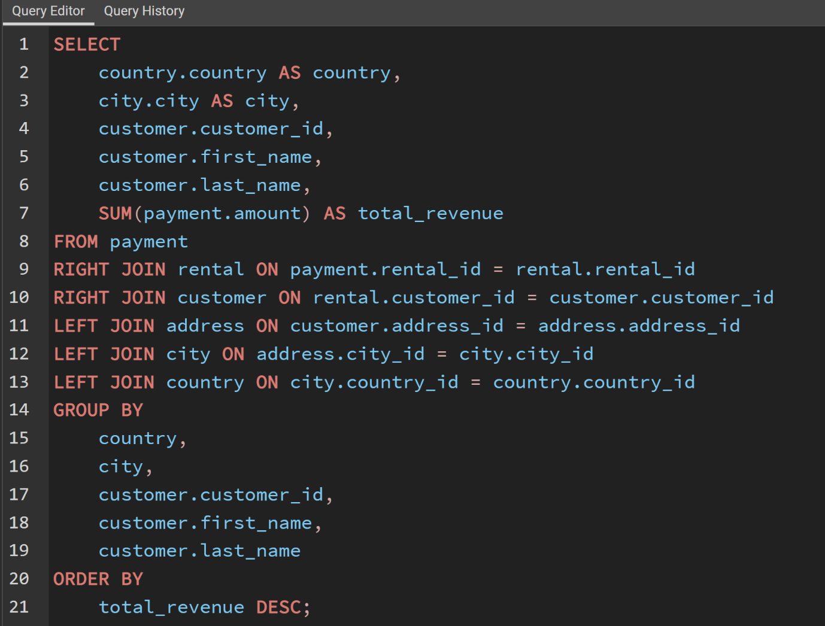
country | city | customer_id | first_name | last_name | total_revenue
Runion | Saint-Denis | 148 | Eleanor | Hunt | 211.55
United States | Cape Coral | 526 | Karl | Seal | 208.58
Brazil | Santa Brbara dOeste | 178 | Marion | Snyder | 194.61
Netherlands | Apeldoorn | 137 | Rhonda | Kennedy | 191.62
Belarus | Molodetno | 144 | Clara | Shaw | 189.6
Iran | Qomsheh | 459 | Tommy | Collazo | 183.63
United States | Memphis | 181 | Ana | Bradley | 167.67
Canada | Richmond Hill | 410 | Curtis | Irby | 167.62
Philippines | Tanza | 236 | Marcia | Dean | 166.61
India | Valparai | 403 | Mike | Way | 162.67
Philippines | Santa Rosa | 522 | Arnold | Havens | 161.68
Spain | Ourense (Orense) | 469 | Wesley | Bull | 158.65
Yemen | Hodeida | 470 | Gordon | Allard | 157.69
Philippines | Tanauan | 373 | Louis | Leone | 156.66
India | Bijapur | 468 | Tim | Cary | 154.66
India | Halisahar | 259 | Lena | Jensen | 152.71
Russian Federation | Usolje-Sibirskoje | 462 | Warren | Sherrod | 152.69
Indonesia | Probolinggo | 372 | Steve | Mackenzie | 152.68
Ukraine | Sumy | 187 | Brittany | Riley | 151.73
China | Zhoushan | 550 | Guy | Brownlee | 151.69
Algeria | Skikda | 176 | June | Carroll | 151.68
Vietnam | Cam Ranh | 532 | Neil | Renner | 149.69
Taiwan | Changhwa | 75 | Tammy | Sanders | 149.61
India | Bhilwara | 209 | Tonya | Chapman | 147.71
Thailand | Songkhla | 86 | Jacqueline | Long | 146.68
Holy See (Vatican City State) | Citt del Vaticano | 26 | Jessica | Hall | 146.68
Bangladesh | Tangail | 21 | Michelle | Clark | 146.68
China | Fuyu | 211 | Stacey | Montgomery | 146.67
Russian Federation | Maikop | 346 | Arthur | Simpkins | 145.7
Turkey | Balikesir | 366 | Brandon | Huey | 145.64
Sudan | Omdurman | 50 | Diane | Collins | 144.7
Puerto Rico | Arecibo | 360 | Ralph | Madrigal | 144.68
Taiwan | Hsichuh | 348 | Roger | Quintanilla | 144.66
Nauru | Yangor | 513 | Duane | Tubbs | 143.7
Mexico | Uruapan | 454 | Alex | Gresham | 143.68
Latvia | Daugavpils | 347 | Ryan | Salisbury | 142.7
Thailand | Nakhon Sawan | 390 | Shawn | Heaton | 142.69
China | Lengshuijiang | 267 | Margie | Wade | 142.67
Mozambique | Beira | 257 | Marsha | Douglas | 142.66
Brazil | Vila Velha | 39 | Debra | Nelson | 141.71
India | Rae Bareli | 78 | Lori | Wood | 141.69
Brazil | Belm | 362 | Nicholas | Barfield | 140.69
Kenya | Nyeri | 363 | Roy | Whiting | 139.72
Iran | Najafabad | 368 | Harry | Arce | 139.69
Egypt | Shubra al-Khayma | 119 | Sherry | Marshall | 139.69
Sweden | Malm | 66 | Janice | Ward | 139.67
South Korea | Naju | 237 | Tanya | Gilbert | 138.69
Japan | Shimonoseki | 29 | Angela | Hernandez | 138.65
Colombia | Sincelejo | 87 | Wanda | Patterson | 137.72
Nigeria | Ife | 80 | Marilyn | Ross | 137.7
Italy | Bergamo | 439 | Alexander | Fennell | 137.67
Poland | Wroclaw | 558 | Jimmie | Eggleston | 135.72
Ecuador | Robamba | 494 | Ramon | Choate | 135.7
Taiwan | Fengshan | 576 | Morris | Mccarter | 135.68
Brazil | Juiz de Fora | 591 | Kent | Arsenault | 134.73
Mexico | Cuauhtmoc | 467 | Alvin | Deloach | 134.72
United States | Akron | 479 | Zachary | Hite | 134.71
Yemen | Aden | 210 | Ella | Oliver | 134.7
Colombia | Dos Quebradas | 120 | Sylvia | Ortiz | 134.7
Turkey | Usak | 204 | Rosemary | Schmidt | 134.69
India | Bhopal | 15 | Helen | Harris | 134.68
Taiwan | Nantou | 5 | Elizabeth | Brown | 134.65
Philippines | Imus | 349 | Joe | Gilliland | 133.72
Japan | Omiya | 404 | Stanley | Scroggins | 133.71
Turkey | Batman | 172 | Bernice | Willis | 133.7
China | Changzhou | 197 | Sue | Peters | 133.68
Czech Republic | Olomouc | 265 | Jennie | Terry | 132.72
China | Binzhou | 533 | Jessie | Milam | 132.7
Poland | Tychy | 380 | Russell | Brinson | 132.65
Vietnam | Nam Dinh | 472 | Greg | Robins | 131.74
Turkey | Osmaniye | 13 | Karen | Jackson | 131.73
South Africa | Boksburg | 125 | Ethel | Webb | 131.69
Russian Federation | Moscow | 46 | Catherine | Campbell | 131.69
Greece | Athenai | 3 | Linda | Williams | 130.76
Mexico | Salamanca | 273 | Priscilla | Lowe | 130.72
Yugoslavia | Kragujevac | 7 | Maria | Miller | 130.72
India | Siliguri (Shiliguri) | 502 | Brett | Cornwell | 130.7
Turkey | Tokat | 566 | Casey | Mena | 130.68
Brazil | Boa Vista | 342 | Harold | Martino | 130.68
United States | Lancaster | 112 | Rosa | Reynolds | 129.72
Argentina | Avellaneda | 560 | Jordan | Archuleta | 129.71
Israel | Ashdod | 102 | Crystal | Ford | 129.7
China | Jinchang | 168 | Regina | Berry | 129.68
China | Yinchuan | 484 | Roberto | Vu | 128.73
China | Qinhuangdao | 242 | Glenda | Frazier | 128.71
Nigeria | Ilorin | 103 | Gladys | Hamilton | 128.71
Mexico | Atlixco | 84 | Sara | Perry | 128.7
Germany | Mannheim | 196 | Alma | Austin | 128.69
Germany | Erlangen | 448 | Miguel | Betancourt | 127.73
Italy | Syrakusa | 221 | Bessie | Morrison | 127.73
Japan | Fukuyama | 141 | Debbie | Reyes | 127.69
Vietnam | Nha Trang | 520 | Mitchell | Westmoreland | 127.69
Moldova | Chisinau | 38 | Martha | Gonzalez | 127.66
Turkmenistan | Ashgabat | 200 | Jeanne | Lawson | 126.74
United States | Sterling Heights | 146 | Jamie | Rice | 126.73
Brazil | Blumenau | 206 | Terri | Vasquez | 126.73
Canada | Vancouver | 436 | Troy | Quigley | 126.73
Mexico | Huixquilucan | 108 | Tracy | Cole | 126.72
Germany | Duisburg | 114 | Grace | Ellis | 126.7
India | Purnea (Purnia) | 426 | Bradley | Motley | 125.74
Mexico | Coatzacoalcos | 482 | Maurice | Crawley | 125.74
Russian Federation | Kolpino | 295 | Daisy | Bates | 125.72
Japan | Urawa | 147 | Joanne | Robertson | 125.68
Brazil | Santo Andr | 354 | Justin | Ngo | 125.67
Chile | Antofagasta | 45 | Janet | Phillips | 124.74
Argentina | La Plata | 89 | Julia | Flores | 124.71
Nigeria | Ikerre | 198 | Elsie | Kelley | 124.68
China | Liaocheng | 129 | Carrie | Porter | 124.66
United States | San Bernardino | 2 | Patricia | Johnson | 123.74
India | Parbhani | 300 | John | Farnsworth | 123.74
Indonesia | Pontianak | 506 | Leslie | Seward | 123.72
Philippines | Cabuyao | 371 | Billy | Poulin | 123.71
United States | Fontana | 51 | Alice | Stewart | 123.7
Philippines | Davao | 27 | Shirley | Allen | 123.7
Taiwan | Lungtan | 30 | Melissa | King | 123.66
Brazil | Goinia | 92 | Tina | Simmons | 122.74
Philippines | Ozamis | 434 | Eddie | Tomlin | 122.74
Chad | NDjamna | 535 | Javier | Elrod | 122.72
Japan | Kakamigahara | 163 | Cathy | Spencer | 122.71
Philippines | Lapu-Lapu | 244 | Viola | Hanson | 122.7
Indonesia | Lhokseumawe | 473 | Jorge | Olivares | 122.69
India | Vijayawada | 508 | Milton | Howland | 121.77
United Kingdom | York | 497 | Gilbert | Sledge | 121.73
Malawi | Lilongwe | 166 | Lynn | Payne | 121.73
Mexico | El Fuerte | 451 | Jim | Rea | 121.7
Zambia | Kitwe | 438 | Barry | Lovelace | 121.7
Virgin Islands, U.S. | Charlotte Amalie | 406 | Nathan | Runyon | 121.69
Egypt | Mit Ghamr | 491 | Rick | Mattox | 120.75
Russian Federation | Kirovo-Tepetsk | 179 | Dana | Hart | 120.74
Egypt | Sawhaj | 423 | Alfred | Casillas | 120.74
Italy | Brindisi | 499 | Marc | Outlaw | 120.71
Peru | Lima | 122 | Thelma | Murray | 120.7
India | Mysore | 59 | Cheryl | Murphy | 119.76
China | Emeishan | 389 | Alan | Kahn | 119.75
Russian Federation | Pjatigorsk | 487 | Hector | Poindexter | 119.74
Malaysia | Sungai Petani | 306 | Charles | Kowalski | 119.72
Greenland | Nuuk | 207 | Gertrude | Castillo | 119.72
Ukraine | Simferopol | 82 | Kathryn | Coleman | 118.76
Ecuador | Loja | 589 | Tracy | Herrmann | 118.75
Armenia | Yerevan | 41 | Stephanie | Mitchell | 118.75
Peru | Hunuco | 565 | Jaime | Nettles | 118.73
Poland | Jastrzebie-Zdrj | 128 | Marjorie | Tucker | 118.7
France | Toulouse | 35 | Virginia | Green | 118.7
Romania | Botosani | 230 | Joy | George | 118.69
Japan | Otsu | 285 | Miriam | Mckinney | 117.77
United Kingdom | Southampton | 583 | Marshall | Thorn | 117.77
Argentina | Quilmes | 585 | Perry | Swafford | 117.76
India | Pudukkottai | 421 | Lee | Hawks | 117.75
United States | Joliet | 504 | Nathaniel | Adam | 117.75
Kazakstan | Zhezqazghan | 573 | Byron | Box | 117.72
Saudi Arabia | Jedda | 49 | Joyce | Edwards | 116.76
United States | Brockton | 149 | Valerie | Black | 116.75
Japan | Miyakonojo | 253 | Terry | Carlson | 116.74
Philippines | Mandaluyong | 263 | Hilda | Hopkins | 116.73
India | Karnal | 274 | Naomi | Jennings | 116.73
Philippines | Baybay | 71 | Kathy | James | 116.72
India | Satna | 356 | Gerald | Fultz | 116.71
United Kingdom | London | 512 | Cecil | Vines | 115.74
French Polynesia | Papeete | 56 | Gloria | Cook | 115.74
India | Bhimavaram | 529 | Erik | Guillen | 115.72
Russian Federation | Korolev | 393 | Philip | Causey | 115.71
United States | Greensboro | 158 | Veronica | Stone | 115.7
Iran | Tabriz | 279 | Dianne | Shelton | 114.76
Japan | Iwakuni | 54 | Teresa | Rogers | 114.74
Gambia | Banjul | 584 | Salvador | Teel | 114.73
Ecuador | Portoviejo | 262 | Patsy | Davidson | 114.73
Argentina | Merlo | 107 | Florence | Woods | 114.72
Philippines | Cavite | 388 | Craig | Morrell | 114.72
Japan | Sasebo | 1 | Mary | Smith | 114.7
Mozambique | Naala-Porto | 433 | Don | Bone | 113.77
Italy | Brescia | 309 | Christopher | Greco | 113.75
Austria | Salzburg | 266 | Nora | Herrera | 113.74
China | Tiefa | 302 | Michael | Silverman | 113.74
China | Leshan | 569 | Dave | Gardiner | 113.73
Taiwan | Touliu | 139 | Amber | Dixon | 113.73
Pakistan | Dadu | 416 | Jeffery | Pinson | 113.72
Brazil | Sorocaba | 314 | George | Linton | 113.71
China | Datong | 260 | Christy | Vargas | 113.7
Mexico | Huejutla de Reyes | 582 | Andy | Vanhorn | 112.76
Bulgaria | Ruse | 540 | Tyrone | Asher | 112.76
United States | Lincoln | 63 | Ashley | Richardson | 112.75
India | Jhansi | 32 | Amy | Lopez | 112.74
Ukraine | Mukateve | 131 | Monica | Hicks | 112.73
China | Shaoguan | 485 | Clyde | Tobias | 112.72
Venezuela | Maracabo | 453 | Calvin | Martel | 111.77
India | Ambattur | 225 | Arlene | Harvey | 111.76
Japan | Onomichi | 337 | Jerry | Jordon | 111.76
Taiwan | Tanshui | 577 | Clifton | Malcolm | 111.74
Iraq | Mosul | 579 | Daryl | Larue | 111.73
Austria | Graz | 173 | Audrey | Ray | 111.73
Venezuela | Cuman | 113 | Cindy | Fisher | 111.73
India | Haldia | 186 | Holly | Fox | 111.71
Thailand | Pak Kret | 42 | Carolyn | Perez | 111.71
Hungary | Szkesfehrvr | 592 | Terrance | Roush | 111.71
Japan | Kuwana | 531 | Jamie | Waugh | 110.77
China | Baiyin | 495 | Charlie | Bess | 110.76
Dominican Republic | Santiago de los Caballeros | 258 | Myrtle | Fleming | 110.76
Chile | Coquimbo | 515 | Andre | Rapp | 110.74
China | Yuncheng | 154 | Michele | Grant | 110.73
Yemen | Taizz | 213 | Gina | Williamson | 110.73
Egypt | Bilbays | 559 | Everett | Banda | 110.72
China | Meixian | 90 | Ruby | Washington | 110.72
China | Jinzhou | 595 | Terrence | Gunderson | 110.71
China | Xiangfan | 241 | Heidi | Larson | 110.68
India | Udaipur | 170 | Beatrice | Arnold | 109.77
South Korea | Tonghae | 536 | Fernando | Churchill | 109.77
Mexico | Cuernavaca | 575 | Isaac | Oglesby | 109.76
Tanzania | Zanzibar | 220 | Charlene | Alvarez | 109.75
Russian Federation | Nabereznyje Telny | 447 | Clifford | Bowens | 109.73
Russian Federation | Kurgan | 376 | Randy | Gaither | 109.73
China | Baicheng | 538 | Ted | Breaux | 109.73
India | Uluberia | 446 | Theodore | Culp | 109.72
Ukraine | Kamjanets-Podilskyi | 386 | Todd | Tan | 109.72
Tanzania | Mwanza | 481 | Herman | Devore | 109.72
China | Shanwei | 424 | Kyle | Spurlock | 109.71
Nigeria | Benin City | 284 | Sonia | Gregory | 108.78
China | Jining | 594 | Eduardo | Hiatt | 108.77
Bahrain | al-Manama | 590 | Seth | Hannon | 108.76
Nigeria | Ogbomosho | 277 | Olga | Jimenez | 108.76
Turkey | Sivas | 518 | Gabriel | Harder | 108.75
Azerbaijan | Sumqayit | 334 | Raymond | Mcwhorter | 108.75
Japan | Akishima | 574 | Julian | Vest | 108.73
Indonesia | Ciomas | 239 | Minnie | Romero | 108.72
India | Chandrapur | 167 | Sally | Pierce | 108.71
Spain | Donostia-San Sebastin | 293 | Mae | Fletcher | 107.79
Poland | Plock | 571 | Johnnie | Chisholm | 107.78
Brazil | Guaruj | 427 | Jesus | Mccartney | 107.77
United Kingdom | Southend-on-Sea | 16 | Sandra | Martin | 107.76
Bangladesh | Dhaka | 332 | Stephen | Qualls | 107.74
Algeria | Batna | 441 | Mario | Cheatham | 107.73
South Africa | Soshanguve | 145 | Lucille | Holmes | 107.73
China | Weifang | 588 | Marion | Ocampo | 107.73
North Korea | Pyongyang | 157 | Darlene | Rose | 107.71
Dominican Republic | San Felipe de Puerto Plata | 418 | Jeff | East | 107.7
Brazil | Poos de Caldas | 254 | Maxine | Silva | 107.7
Brunei | Bandar Seri Begawan | 91 | Lois | Butler | 107.66
United Kingdom | Stockport | 477 | Dan | Paine | 106.79
Japan | Iwaki | 240 | Marlene | Welch | 106.77
Mexico | Mexicali | 343 | Douglas | Graf | 106.77
Switzerland | Bern | 155 | Gail | Knight | 106.76
Kuwait | Jalib al-Shuyukh | 234 | Claudia | Fuller | 106.75
South Africa | Johannesburg | 471 | Dean | Sauer | 106.74
Indonesia | Pemalang | 116 | Victoria | Gibson | 106.74
Latvia | Liepaja | 23 | Sarah | Lewis | 106.73
Russian Federation | Ljubertsy | 160 | Erin | Dunn | 106.73
United States | Rockford | 457 | Bill | Gavin | 106.73
Spain | A Corua (La Corua) | 52 | Julie | Sanchez | 106.72
China | Hohhot | 138 | Hazel | Warren | 106.68
Colombia | Sogamoso | 490 | Sam | Mcduffie | 105.78
Argentina | Santa F | 331 | Eric | Robert | 105.78
Russian Federation | Smolensk | 127 | Elaine | Stevens | 105.78
Kenya | Kisumu | 193 | Katie | Elliott | 105.77
United States | Dayton | 294 | Shelly | Watts | 105.77
United States | Dallas | 400 | Bryan | Hardison | 105.76
Malaysia | Kuching | 58 | Jean | Bell | 105.76
Japan | Iwatsuki | 396 | Earl | Shanks | 105.74
Morocco | Nador | 40 | Amanda | Carter | 105.74
United States | Augusta-Richmond County | 96 | Diana | Alexander | 105.73
Estonia | Tartu | 444 | Marcus | Hidalgo | 105.72
India | Munger (Monghyr) | 28 | Cynthia | Young | 105.7
Paraguay | San Lorenzo | 345 | Carl | Artis | 104.79
Turkey | Sultanbeyli | 493 | Brent | Harkins | 104.78
Hong Kong | Kowloon and New Kowloon | 289 | Violet | Rodriquez | 104.76
India | Etawah | 121 | Josephine | Gomez | 104.75
Malaysia | Ipoh | 171 | Dolores | Wagner | 104.75
India | Kamarhati | 31 | Brenda | Wright | 104.74
South Africa | Rustenburg | 407 | Dale | Ratcliff | 104.74
Pakistan | Shikarpur | 25 | Deborah | Walker | 104.73
Russian Federation | Atinsk | 397 | Jimmy | Schrader | 104.72
China | Tongliao | 442 | Leroy | Bustamante | 104.71
Netherlands | Ede | 341 | Peter | Menard | 103.78
Nigeria | Owo | 280 | Tracey | Barrett | 103.77
India | Patiala | 296 | Ramona | Hale | 103.77
United States | Sunnyvale | 214 | Kristin | Johnston | 103.74
India | Bhusawal | 202 | Carla | Gutierrez | 103.74
South Korea | Uijongbu | 245 | Courtney | Day | 103.74
Sri Lanka | Jaffna | 408 | Manuel | Murrell | 103.73
Pakistan | Mardan | 20 | Sharon | Robinson | 103.73
United Arab Emirates | Sharja | 292 | Misty | Lambert | 102.78
Russian Federation | Kamyin | 510 | Ben | Easter | 102.77
Yugoslavia | Novi Sad | 553 | Max | Pitt | 102.77
United Arab Emirates | al-Ayn | 98 | Lillian | Griffin | 102.76
Mexico | Celaya | 587 | Sergio | Stanfield | 102.76
Brazil | Po | 126 | Ellen | Simpson | 102.75
Tanzania | Tabora | 190 | Yolanda | Weaver | 102.75
Russian Federation | Lipetsk | 44 | Marie | Turner | 101.79
China | Dongying | 466 | Leo | Ebert | 101.78
Russian Federation | Jelets | 100 | Robin | Hayes | 101.77
United States | Garden Grove | 593 | Rene | Mcalister | 101.76
United States | Compton | 182 | Renee | Lane | 101.72
Argentina | Tandil | 405 | Leonard | Schofield | 101.7
Mexico | Acua | 486 | Glen | Talbert | 100.77
Poland | Czestochowa | 572 | Sidney | Burleson | 100.76
Taiwan | Chungho | 517 | Brad | Mccurdy | 100.76
Germany | Halle/Saale | 251 | Vickie | Brewer | 100.75
Argentina | Vicente Lpez | 219 | Willie | Howell | 100.75
India | Pune | 135 | Juanita | Mason | 100.72
Japan | Isesaki | 519 | Ron | Deluca | 99.78
Japan | Sagamihara | 11 | Lisa | Anderson | 99.77
India | Ahmadnagar | 297 | Sherri | Rhodes | 99.74
Liechtenstein | Vaduz | 57 | Evelyn | Morgan | 99.74
Romania | Bucuresti | 563 | Ken | Prewitt | 99.73
Japan | Ueda | 503 | Angel | Barclay | 99.72
United Arab Emirates | Abu Dhabi | 452 | Tom | Milner | 99.71
Anguilla | South Hill | 381 | Bobby | Boudreau | 99.68
South Africa | Kimberley | 19 | Ruth | Martinez | 98.82
Bangladesh | Jamalpur | 329 | Frank | Waggoner | 98.77
United States | Aurora | 537 | Clinton | Buford | 98.76
India | Allappuzha (Alleppey) | 175 | Annette | Olson | 98.76
Mexico | San Juan Bautista Tuxtepec | 425 | Francis | Sikes | 98.75
Japan | Higashiosaka | 264 | Gwendolyn | May | 98.75
Brazil | Vitria de Santo Anto | 374 | Jeremy | Hurtado | 98.75
Philippines | Iligan | 580 | Ross | Grey | 98.74
French Guiana | Cayenne | 65 | Rose | Howard | 97.8
India | Adoni | 367 | Adam | Gooch | 97.8
Colombia | Florencia | 460 | Leon | Bostic | 97.79
Ukraine | ostka | 475 | Pedro | Chestnut | 97.78
India | Firozabad | 192 | Laurie | Lawrence | 97.78
Nigeria | Sokoto | 562 | Wallace | Slone | 97.78
Nigeria | Deba Habe | 409 | Rodney | Moeller | 97.78
India | Varanasi (Benares) | 123 | Shannon | Freeman | 97.77
Mexico | Jos Azueta | 581 | Virgil | Wofford | 97.75
Myanmar | Monywa | 256 | Mabel | Holland | 97.75
United States | Salinas | 269 | Cassandra | Walters | 96.79
India | Bhavnagar | 379 | Carlos | Coughlin | 96.79
India | Palghat (Palakkad) | 268 | Nina | Soto | 96.79
Cameroon | Bamenda | 352 | Albert | Crouse | 96.78
South Africa | Springs | 83 | Louise | Jenkins | 96.78
United States | Citrus Heights | 14 | Betty | White | 96.77
Mexico | Allende | 414 | Vincent | Ralston | 96.77
Nigeria | Effon-Alaiye | 286 | Velma | Lucas | 96.76
Faroe Islands | Trshavn | 317 | Edward | Baugh | 96.76
Argentina | Escobar | 445 | Micheal | Forman | 96.76
Indonesia | Madiun | 500 | Reginald | Kinder | 96.75
China | Laohekou | 422 | Melvin | Ellington | 96.75
Brazil | Rio Claro | 74 | Denise | Kelly | 96.74
India | Rajkot | 554 | Dwayne | Olvera | 95.8
Russian Federation | Ivanovo | 106 | Connie | Wallace | 95.79
Mexico | Carmen | 578 | Willard | Lumpkin | 95.79
Colombia | Pereira | 180 | Stacy | Cunningham | 95.78
Mexico | La Paz | 488 | Shane | Millard | 95.78
China | Yuzhou | 324 | Gary | Coy | 95.78
Italy | Livorno | 541 | Darren | Windham | 95.78
Senegal | Ziguinchor | 456 | Ronnie | Ricketts | 95.76
China | Xinxiang | 339 | Walter | Perryman | 95.76
Vietnam | Haiphong | 199 | Beth | Franklin | 95.76
South Africa | Botshabelo | 132 | Esther | Crawford | 95.72
Morocco | Sal | 22 | Laura | Rodriguez | 94.81
India | Shivapuri | 68 | Nicole | Peterson | 94.78
Mexico | Hidalgo | 150 | Danielle | Daniels | 94.78
United States | Warren | 276 | Brandy | Graves | 94.77
Indonesia | Jakarta | 153 | Suzanne | Nichols | 94.76
Israel | Tel Aviv-Jaffa | 161 | Geraldine | Perkins | 94.76
Iran | Esfahan | 10 | Dorothy | Taylor | 94.76
Venezuela | Caracas | 111 | Carmen | Owens | 94.75
Nepal | Birgunj | 321 | Kevin | Schuler | 93.83
South Africa | Newcastle | 432 | Edwin | Burk | 93.8
Angola | Benguela | 528 | Claude | Herzog | 93.8
Brazil | So Leopoldo | 443 | Francisco | Skidmore | 93.79
Mexico | San Felipe del Progreso | 319 | Ronald | Weiner | 93.79
India | Rampur | 336 | Joshua | Mark | 93.78
Tuvalu | Funafuti | 105 | Dawn | Sullivan | 93.78
Japan | Tama | 385 | Phillip | Holm | 93.76
Brazil | Anpolis | 229 | Tamara | Nguyen | 93.75
Angola | Namibe | 383 | Martin | Bales | 93.75
India | Yamuna Nagar | 12 | Nancy | Thomas | 93.74
Iran | Kermanshah | 377 | Howard | Fortner | 93.74
Brazil | Juazeiro do Norte | 47 | Frances | Parker | 92.81
Brazil | Angra dos Reis | 307 | Joseph | Joy | 92.8
Brazil | So Bernardo do Campo | 544 | Cody | Nolen | 92.8
Japan | Okinawa | 365 | Bruce | Schwarz | 92.79
Madagascar | Mahajanga | 81 | Andrea | Henderson | 92.79
Bolivia | Sucre | 431 | Joel | Francisco | 92.78
China | Suihua | 511 | Chester | Benner | 92.78
Cambodia | Battambang | 516 | Elmer | Noe | 92.76
United States | Peoria | 275 | Carole | Barnett | 92.75
Netherlands | Emmen | 474 | Dustin | Gillette | 92.75
Philippines | Bayugan | 188 | Melanie | Armstrong | 92.75
Philippines | Talavera | 505 | Rafael | Abney | 91.81
Japan | Okayama | 489 | Ricardo | Meador | 91.81
United States | Bellevue | 212 | Wilma | Richards | 91.8
China | Nanyang | 37 | Pamela | Baker | 91.79
Germany | Witten | 201 | Vicki | Fields | 91.78
Saudi Arabia | al-Qatif | 417 | Travis | Estep | 91.78
Ethiopia | Addis Abeba | 392 | Sean | Douglass | 91.77
Mexico | Monclova | 570 | Ivan | Cromwell | 91.75
Mexico | Cuautla | 323 | Matthew | Mahan | 91.75
China | Daxian | 64 | Judith | Cox | 91.7
Philippines | Tuguegarao | 261 | Deanna | Byrd | 90.78
Brazil | Aparecida de Goinia | 216 | Natalie | Meyer | 90.78
South Korea | Kimchon | 99 | Emily | Diaz | 90.77
China | Sanya | 546 | Kelly | Knott | 90.77
Iran | Arak | 36 | Kathleen | Adams | 90.75
Philippines | Gingoog | 461 | Derek | Blakely | 90.73
China | Haining | 552 | Hugh | Waldrop | 89.8
Azerbaijan | Baku | 333 | Andrew | Purdy | 89.78
Mexico | Guadalajara | 364 | Benjamin | Varney | 89.78
French Polynesia | Faaa | 43 | Christine | Roberts | 89.78
Taiwan | Chiayi | 73 | Beverly | Brooks | 89.78
Nigeria | Ondo | 156 | Bertha | Ferguson | 89.77
Algeria | Bchar | 69 | Judy | Gray | 89.77
Egypt | Idfu | 233 | Lillie | Kim | 89.77
Colombia | Buenaventura | 235 | Jackie | Lynch | 89.77
Turkey | Eskisehir | 507 | Edgar | Rhoads | 89.77
Japan | Kurashiki | 34 | Rebecca | Scott | 89.76
Canada | Halifax | 463 | Darrell | Power | 89.76
Cameroon | Yaound | 361 | Lawrence | Lawton | 89.71
Mexico | Coacalco de Berriozbal | 247 | Stella | Moreno | 88.81
China | Tianjin | 249 | Dora | Medina | 88.81
Congo, The Democratic Republic of the | Mwene-Ditu | 375 | Aaron | Selby | 88.8
Italy | Alessandria | 33 | Anna | Hill | 88.8
Netherlands | Amersfoort | 415 | Glenn | Pullen | 88.78
India | Jaipur | 60 | Mildred | Bailey | 88.78
India | Uttarpara-Kotrung | 231 | Georgia | Jacobs | 88.77
Japan | Nagareyama | 53 | Heather | Morris | 88.76
Mexico | Torren | 133 | Pauline | Henry | 88.75
Philippines | Taguig | 72 | Theresa | Watson | 88.73
Russian Federation | Elista | 17 | Donna | Thompson | 87.82
Indonesia | Gorontalo | 203 | Tara | Ryan | 87.81
United States | Arlington | 305 | Richard | Mccrary | 87.8
Canada | Gatineau | 476 | Derrick | Bourque | 87.8
Japan | Kanazawa | 547 | Kurt | Emmons | 87.8
Vietnam | Vinh | 523 | Harvey | Guajardo | 87.8
Paraguay | Asuncin | 226 | Maureen | Little | 87.79
Canada | Oshawa | 189 | Loretta | Carpenter | 87.79
Brazil | guas Lindas de Gois | 130 | Charlotte | Hunter | 87.78
Russian Federation | Zeleznogorsk | 351 | Jack | Foust | 87.77
Peru | Sullana | 597 | Freddie | Duggan | 87.77
India | Chapra | 509 | Raul | Fortier | 86.82
Germany | Siegen | 195 | Vanessa | Sims | 86.81
Israel | Ashqelon | 478 | Lewis | Lyman | 86.81
Poland | Lublin | 501 | Ruben | Geary | 86.81
India | Shimoga | 238 | Nellie | Garrett | 86.81
China | Xiangtan | 67 | Kelly | Torres | 86.8
China | Pingxiang | 169 | Erica | Matthews | 86.8
India | Sambhal | 217 | Agnes | Bishop | 86.79
Saudi Arabia | Abha | 101 | Peggy | Myers | 86.77
Nigeria | Zaria | 232 | Constance | Reid | 86.77
India | Katihar | 419 | Chad | Carbone | 86.76
United States | Garland | 561 | Ian | Still | 86.75
India | Balurghat | 208 | Lucy | Wheeler | 86.75
Cambodia | Phnom Penh | 228 | Allison | Stanley | 86.75
Mexico | Nezahualcyotl | 115 | Wendy | Harrison | 86.73
Dominican Republic | La Romana | 437 | Randall | Neumann | 85.8
Russian Federation | Serpuhov | 567 | Alfredo | Mcadams | 85.8
Argentina | Almirante Brown | 359 | Willie | Markham | 85.78
United States | Manchester | 382 | Victor | Barkley | 85.78
Bolivia | El Alto | 455 | Jon | Wiles | 85.78
Brazil | Araatuba | 77 | Jane | Bennett | 85.77
New Zealand | Hamilton | 8 | Susan | Wilson | 85.77
Argentina | Crdoba | 24 | Kimberly | Lee | 85.77
Indonesia | Surakarta | 450 | Jay | Robb | 85.75
Indonesia | Pangkal Pinang | 542 | Lonnie | Tirado | 84.84
Ukraine | Konotop | 545 | Julio | Noland | 84.81
Russian Federation | Balaiha | 55 | Doris | Reed | 84.81
South Korea | Cheju | 88 | Bonnie | Hughes | 84.8
Venezuela | Valencia | 539 | Mathew | Bolin | 84.8
Japan | Hiroshima | 299 | James | Gannon | 84.79
United States | Laredo | 6 | Jennifer | Davis | 84.75
United States | Clarksville | 140 | Eva | Ramos | 83.82
Turkey | Gaziantep | 480 | Corey | Hauser | 83.81
Turkey | Kilis | 143 | Leslie | Gordon | 83.8
India | Dhule (Dhulia) | 440 | Bernard | Colby | 83.79
Switzerland | Lausanne | 598 | Wade | Delvalle | 83.78
Vietnam | Hanoi | 340 | Patrick | Newsom | 83.77
China | Rizhao | 496 | Tyler | Wren | 82.81
China | Xintai | 564 | Bob | Pfeiffer | 82.78
Oman | Salala | 498 | Gene | Sanborn | 82.76
Turkey | Denizli | 483 | Vernon | Chapa | 81.83
Indonesia | Purwakarta | 524 | Jared | Ely | 81.83
Venezuela | Ocumare del Tuy | 174 | Yvonne | Watkins | 81.81
United States | Kansas City | 308 | Thomas | Grigsby | 81.81
Argentina | Baha Blanca | 322 | Jason | Morrissey | 81.81
China | Hami | 165 | Lorraine | Stephens | 81.8
Saudi Arabia | Tabuk | 312 | Mark | Rinehart | 81.8
India | Amroha | 534 | Christian | Jung | 81.78
Myanmar | Myingyan | 4 | Barbara | Jones | 81.78
Bulgaria | Stara Zagora | 215 | Jessie | Banks | 81.76
Belarus | Mogiljov | 527 | Cory | Meehan | 81.76
China | Laiwu | 151 | Megan | Palmer | 81.75
Russian Federation | Kursk | 311 | Paul | Trout | 80.85
Iran | Sirjan | 449 | Oscar | Aquino | 80.83
Paraguay | Ciudad del Este | 205 | Eileen | Carr | 80.82
India | Miraj | 316 | Steven | Curley | 80.81
Netherlands | s-Hertogenbosch | 184 | Vivian | Ruiz | 80.8
Venezuela | Valle de la Pascua | 290 | Kristina | Chambers | 80.78
India | Tambaram | 287 | Becky | Miles | 80.78
China | Yingkou | 521 | Roland | South | 80.77
Slovakia | Bratislava | 357 | Keith | Rico | 80.77
South Africa | Klerksdorp | 109 | Edna | West | 79.81
Peru | Callao | 304 | David | Royal | 79.81
Puerto Rico | Ponce | 282 | Jenny | Castro | 79.8
Iran | Shahr-e Kord | 185 | Roberta | Harper | 79.8
Congo, The Democratic Republic of the | Lubumbashi | 387 | Jesse | Schilling | 79.78
Japan | Izumisano | 391 | Clarence | Gamez | 79.75
Japan | Tsuyama | 429 | Frederick | Isbell | 78.84
China | Tieli | 599 | Austin | Cintron | 78.82
Nigeria | Kaduna | 18 | Carol | Garcia | 78.81
South Africa | Paarl | 338 | Dennis | Gilman | 78.8
Oman | Masqat | 9 | Margaret | Moore | 78.8
United States | Saint Louis | 62 | Joan | Cooper | 78.79
Finland | Oulu | 298 | Erika | Pena | 78.79
Germany | Saarbrcken | 227 | Colleen | Burton | 78.78
China | Junan | 435 | Ricky | Shelby | 78.77
Pakistan | Mandi Bahauddin | 223 | Melinda | Fernandez | 77.84
Egypt | Qalyub | 134 | Emma | Boyd | 77.81
France | Brest | 402 | Luis | Yanez | 77.81
Spain | Gijn | 394 | Chris | Brothers | 77.8
China | Huaian | 384 | Ernest | Stepp | 77.79
France | Toulon | 104 | Rita | Graham | 77.78
Argentina | San Miguel de Tucumn | 243 | Lydia | Burke | 77.77
Brazil | Maring | 246 | Marian | Mendoza | 76.82
China | Zalantun | 93 | Phyllis | Foster | 76.8
...

